Bug reports (Part 2)
Bug reports for Petruha Game |  |  |  | Andrei Barycheuski

ID | Title | Description | Steps to reproduce | Reproducibility | Severity | Priority | Reason | Exp.Result | Actual Result | Comment | Attachments
B1 | Icon "Кабинет" can not be explicitly allocated on web-page | Operating system: Windows 10 Google Chrome Версия 106.0.5249.119 (Официальная сборка), (64 бит) | 1. Open https://igra.petruha.by/; 2. Look at upper right corner of the web-page; 3. Bug appears | Always | Minor | Low | Front-end | Background color of icon "Кабинет" differs from one of other elements of this row | Icon "Кабинет" has the white color as well as other elements in the row |  | 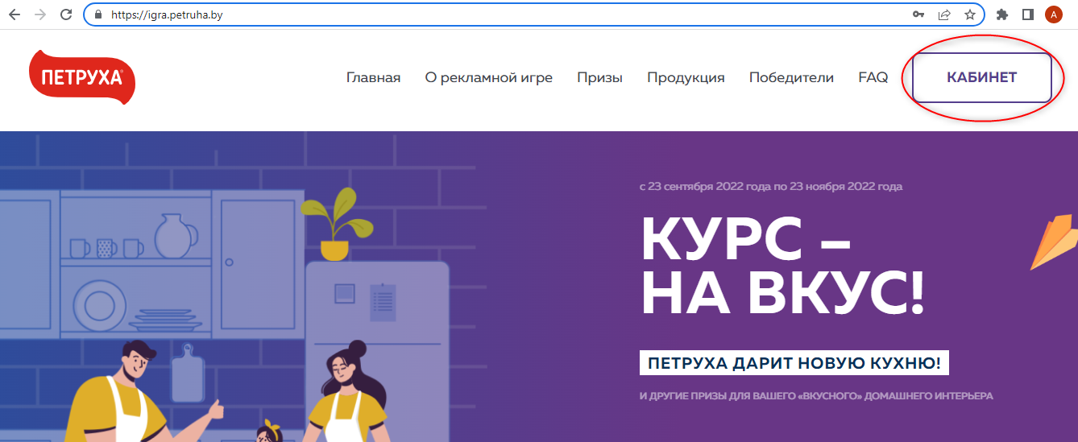
B2 | Color of icon "Кабинет" do not changes to default settings upon cancelling authorization process | Operating system: Windows 10 Google Chrome Версия 106.0.5249.119 (Официальная сборка), (64 бит) | 1. Open https://igra.petruha.by/; 2. Press icon "Кабинет" at upper right corner of the page; 3. Close authorization window by clicking on button X at upper right corner corner of Authorization window; 4. Bug appears | Always | Minor | Low | Front-end | Background color of icon "Кабинет" is white | Background color of icon "Кабинет" is purple | Color of the icon "Кабинет" changes to its default status after entering once again authorization dialogue window, then selecting restore password or register option, then pressing on phone number field and then closing dialogue window | 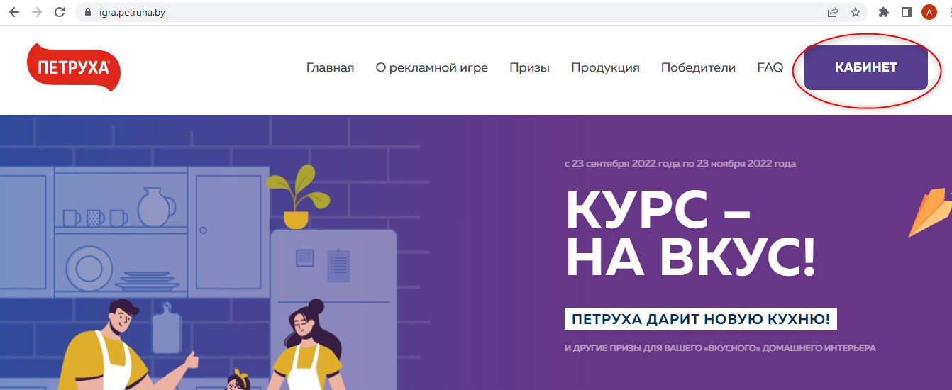
B3 | Registration form do not give clear understanding where to put phone number | Operating system: Windows 10 Google Chrome Версия 106.0.5249.119 (Официальная сборка), (64 бит) | 1. Open https://igra.petruha.by/; 2. Press icon "Кабинет" at upper right corner of the page; 3. Select register option at the bottom of Authorization form; 4. Look at Registration form; 5. Bug appears | Always | Minor | Medium | Front-end | Registration form contains separate field with name "Enter phone number", holding text that shows mask for entering phone number | User should guess that after pressing text "Phone number" he will be able to enter his phone number | As alternative expected Result, Field "Phone number" can also explicitly show that value can be input here by the form and color of the field | 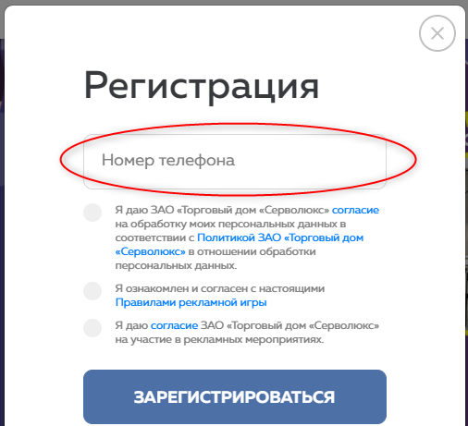
B4 | No notifications on valid phone number value are available at registration form | Operating system: Windows 10 Google Chrome Версия 106.0.5249.119 (Официальная сборка), (64 бит) | 1. Open https://igra.petruha.by/; 2. Press icon "Кабинет" at upper right corner of the page; 3. Select register option at the bottom of Authorization form; 4. Look at Registration form; 5. Bug appears | Always | Minor | Medium | Front-end | Registration form contains notification under the field "Phone number" that only phone numbers of MTC, A1, Life:) providers can be input (req. 8.3.2. of Game Rules) | There is no notification on phone number restrictions in Registration form
B5 | Registration form contains round icons instead of check-boxes for conditions of registration | Operating system: Windows 10 Google Chrome Версия 106.0.5249.119 (Официальная сборка), (64 бит) | 1. Open https://igra.petruha.by/; 2. Press icon "Кабинет" at upper right corner of the page; 3. Select register option at the bottom of authorization form; 4. Look at the middle of Registration form; 5. Bug appears | Always | Minor | Medium | Front-end | Registration form contains check-boxes to agree with condition of registration | Registration form contains round icons with a black circle border upon selection |  | 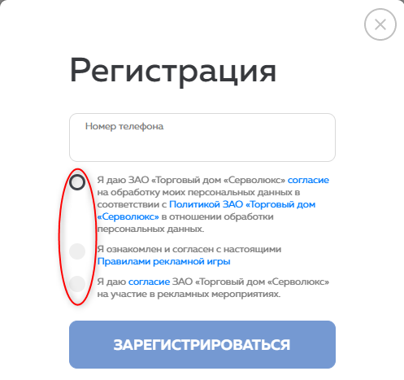
B6 | No notification on further activities is available in Registration form | Operating system: Windows 10 Google Chrome Версия 106.0.5249.119 (Официальная сборка), (64 бит) | 1. Open https://igra.petruha.by/; 2. Press icon "Кабинет" at upper right corner of the page; 3. Select register option at the bottom of Authorization form; 4. Look at Registration form; 5. Bug appears | Always | Minor | Low | Front-end | Registration form contains under button "Register" following notification: "На указанный телефон придет SMS с Вашим паролем" | There is no notification on further activities in Registration form, user should guess what will happen after pressing button "Register" |  | 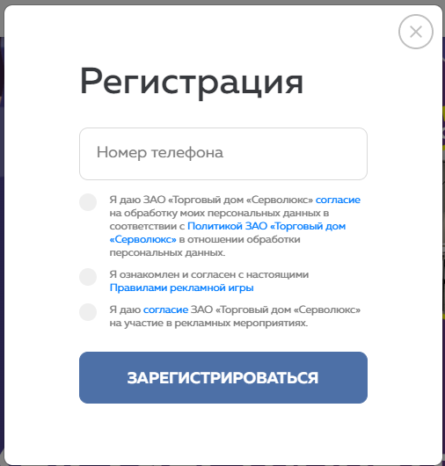
B7 | No notification after sending Registration form with empty phone number value | Operating system: Windows 10 Google Chrome Версия 106.0.5249.119 (Официальная сборка), (64 бит) | 1. Open https://igra.petruha.by/; 2. Press icon "Кабинет" at upper right corner of the page; 3. Select register option at the bottom of Authorization form; 4. Press on circle next to "Я даю согласие на обработку моих персональных данных" option to agree with it; 5. Press on circle next to "Я ознакомился и согласен с настоящими Правилами рекламной игры" option to agree with it; 6. Press button "Register"; 7. Bug appears | Always | Minor | Medium | Back-end | After sending Registration form with empty phone number, user gets notification message that he should enter valid phone number | After sending Registration form with empty phone number, user is returned to Registration window with "Phone number" field in Red line frame | Error 422 | 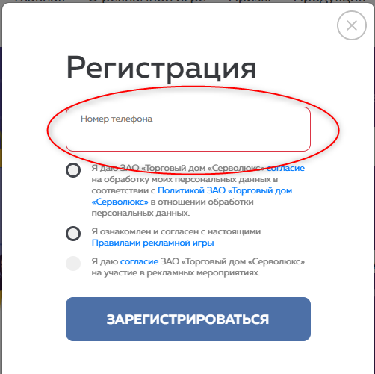
B8 | No notification after sending registration form with phone number value that is less than 9 figures | Operating system: Windows 10 Google Chrome Версия 106.0.5249.119 (Официальная сборка), (64 бит) | 1. Open https://igra.petruha.by/; 2. Press icon "Кабинет" at upper right corner of the page; 3. Select register option at the bottom of Authorization form; 4. Press "Номер телефона" and put value "12345678" 5. Press on circle next to "Я даю согласие на обработку моих персональных данных" option to agree with it; 6. Press on circle next to "Я ознакомился и согласен с настоящими Правилами рекламной игры" option to agree with it; 7. Press button "Register"; 8. Bug appears | Always | Minor | Medium | Back-end | After sending Registration form with phone number "12345678", user gets notification message that he should enter valid phone number | After sending Registration form with phone number "12345678", user is returned to Registration window with "Phone number" field in Red line frame | Error 422
B9 | Successful registration is possible with invalid phone number | Operating system: Windows 10 Google Chrome Версия 106.0.5249.119 (Официальная сборка), (64 бит) | 1. Open https://igra.petruha.by/; 2. Press icon "Кабинет" at upper right corner of the page; 3. Select register option at the bottom of Authorization form; 4. Press "Номер телефона" and put value "272345678" 5. Press on circle next to "Я даю согласие на обработку моих персональных данных" option to agree with it; 6. Press on circle next to "Я ознакомился и согласен с настоящими Правилами рекламной игры" option to agree with it; 7. Press button "Register"; 8. Bug appears | Always | Major | Medium | Back-end | After sending Registration form with phone number "272345678", user gets notification message that he should enter valid phone number | After sending Registration form with phone number "272345678", user gets notification on successful registration | At least, there should be control on 3 first digits of the phone numbers that are available to MTC, A1, Life:) providers (req. 8.3.2. of Game Rules)
B10 | Notification on successful registration contains not clear information | Operating system: Windows 10 Google Chrome Версия 106.0.5249.119 (Официальная сборка), (64 бит) | 1. Open https://igra.petruha.by/; 2. Press icon "Кабинет" at upper right corner of the page; 3. Select register option at the bottom of Authorization form; 4. Press "Номер телефона" and put value "272345679" 5. Press on circle next to "Я даю согласие на обработку моих персональных данных" option to agree with it; 6. Press on circle next to "Я ознакомился и согласен с настоящими Правилами рекламной игры" option to agree with it; 7. Press button "Register"; 8. Bug appears | Always | Minor | Medium | Front-end | After sending Registration form with phone number "272345679", user gets notification message: "Спасибо за регистрацию! На указанный номер отправлена СМС с Вашим паролем" | After sending Registration form with phone number "272345679", user gets notification message: "Спасибо за регистрацию! На указанный номер придет СМС с Вашим паролем" | When exactly SMS will come? | 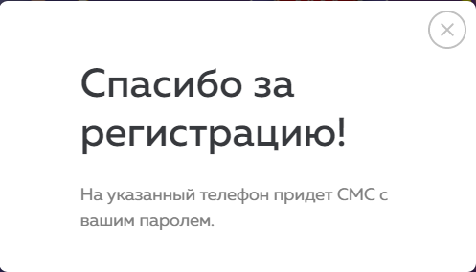
B11 | Mandatory fields are not marked as mandatory | Operating system: Windows 10 Google Chrome Версия 106.0.5249.119 (Официальная сборка), (64 бит) | 1. Open https://igra.petruha.by/; 2. Press icon "Кабинет" at upper right corner of the page; 3. Select register option at the bottom of Authorization form; 4. Look at the Registration form; 5. Press button "Register" in registration form; 6. Bug appears | Always | Minor | Medium | Front-end | Fields "Я даю согласие на обработку моих персональных данных" and "Я ознакомился и согласен с настоящими Правилами рекламной игры" are marked with "*" and have note: "Эти поля являются обязательными для заполнения" | There are no marks in Registration form, upon sending empty registration form notifications on mandatory status of fields "Я даю согласие на обработку моих персональных данных" and "Я ознакомился и согласен с настоящими Правилами рекламной игры" are displayed
B12 | Tab navigation goes out of Registration form window | Operating system: Windows 10 Google Chrome Версия 106.0.5249.119 (Официальная сборка), (64 бит) | 1. Open https://igra.petruha.by/; 2. Press icon "Кабинет" at upper right corner of the page; 3. Select register option at the bottom of Authorization form; 4. Tap button "Tab" on keyboard 10 times; 5. Bug appears | Always | Major | Medium | Front-end | Tab navigation is available only in opened dialogue window of Registration form | Tab navigation goes on the full screen, Tab navigation in opened dialogue window of registration form is available after pressing field "Phone number"
B13 | Tab navigation do not allow to select round icons for condition of registration | Operating system: Windows 10 Google Chrome Версия 106.0.5249.119 (Официальная сборка), (64 бит) | 1. Open https://igra.petruha.by/; 2. Press icon "Кабинет" at upper right corner of the page; 3. Select register option at the bottom of Authorization form; 4. Tap on field "Phone number"; 5. Tap button "Tab" on keyboard; 6. Bug appears | Always | Major | Medium | Front-end | Tap of Button "Tab" allows user to select/unselect conditions of registration | Tap of Button "Tab" redirects user to the link that is displayed in condition of registration
B14 | Password restore form do not give clear understanding where to put phone number | Operating system: Windows 10 Google Chrome Версия 106.0.5249.119 (Официальная сборка), (64 бит) | 1. Open https://igra.petruha.by/; 2. Press icon "Кабинет" at upper right corner of the page; 3. Select Restore password option above button "LogIn" in Authorization form; 4. Look at Restore Password form; 5. Bug appears | Always | Minor | Medium | Front-end | Password restore form contains separate field with name "Enter phone number", holding text that shows mask for entering phone number | User should guess that after pressing text "Phone number" he will be able to enter his phone number | As alternative expected Result, Field "Phone number" can also explicitly show that value can be input here by the form and color of the field | 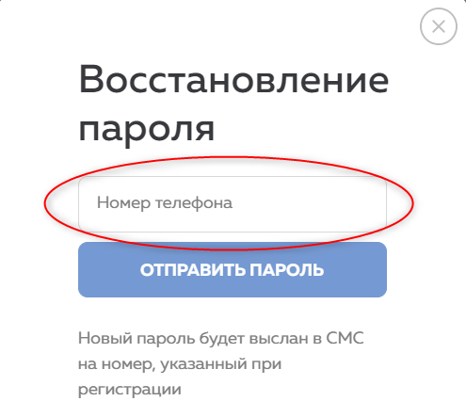
B15 | No notifications on valid phone number value are available at Restore password form | Operating system: Windows 10 Google Chrome Версия 106.0.5249.119 (Официальная сборка), (64 бит) | 1. Open https://igra.petruha.by/; 2. Press icon "Кабинет" at upper right corner of the page; 3. Select Restore password option above button "LogIn" in Authorization form; 4. Look at Restore Password form; 5. Bug appears | Always | Minor | Medium | Front-end | Restore password form contains notification under the field "Phone number" that only value of phone numbers of MTC, A1, Life:) providers can be input (req. 8.3.2. of Game Rules) | There is no notification on phone number restrictions in Restore password form
B16 | No notification after sending Restore password form with empty phone number field | Operating system: Windows 10 Google Chrome Версия 106.0.5249.119 (Официальная сборка), (64 бит) | 1. Open https://igra.petruha.by/; 2. Press icon "Кабинет" at upper right corner of the page; 3. Select Restore password option above button "LogIn" in Authorization form; 4. Press button "Send password" in Restore Password form; 5. Bug appears | Always | Minor | Medium | Back-end | After sending Restore password form with empty phone number value, user gets notification message that he should enter valid phone number | After sending Restore password form with empty phone number value, user is returned to Restore password window with "Phone number" field in Red line frame | Error 422 | 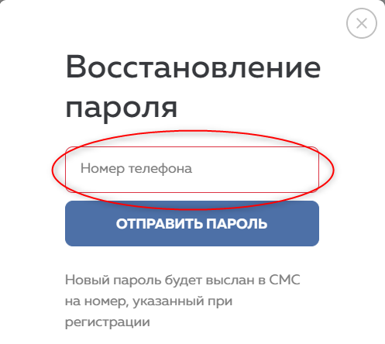
B17 | No notification after sending Restore password form with phone number value that is less than 9 figures | Operating system: Windows 10 Google Chrome Версия 106.0.5249.119 (Официальная сборка), (64 бит) | 1. Open https://igra.petruha.by/; 2. Press icon "Кабинет" at upper right corner of the page; 3. Select Restore password option above button "LogIn" in Authorization form; 4. Press "Номер телефона" and put value "12345678" 5. Press button "Send password" in Restore Password form; 6. Bug appears | Always | Minor | Medium | Back-end | After sending Restore password form with phone number "12345678", user gets notification message that he should enter valid phone number | After sending Restore password form with phone number "12345678", user is returned to Restore password window with "Phone number" field in Red line frame | Error 422
B18 | Tab navigation goes out of opened Restore password form | Operating system: Windows 10 Google Chrome Версия 106.0.5249.119 (Официальная сборка), (64 бит) | 1. Open https://igra.petruha.by/; 2. Press icon "Кабинет" at upper right corner of the page; 3. Select Restore password option above button "LogIn" in Authorization form; 4. Tap button "Tab" on keyboard 10 times; 5. Bug appears | Always | Major | Medium | Front-end | Tab navigation is available only in opened dialogue window of Restore password form | Tab navigation goes on the full screen, Tab navigation in opened dialogue window of Restore password form is available after pressing field "Phone number"
B19 | Unclear notification message is displayed in Restore password form | Operating system: Windows 10 Google Chrome Версия 106.0.5249.119 (Официальная сборка), (64 бит) | 1. Open https://igra.petruha.by/; 2. Press icon "Кабинет" at upper right corner of the page; 3. Select Restore password option above button "LogIn" in authorization form; 4. Look at the bottom of Restore Password form; 5. Bug appears | Always | Minor | Low | Front-end | Restore password form contains notification message: "Новый пароль будет выслан в СМС на указанный номер" | Restore password form contains notification message: "Новый пароль будет выслан в СМС на номер, указанный при регистрации" | It is unclear to what phone number SMS will be sent: specified in Restore password form or Registration form. | 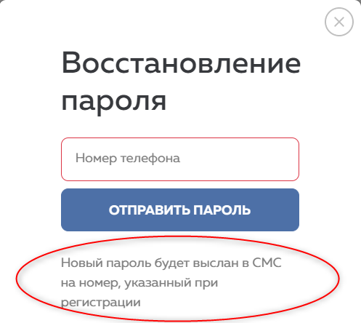
B20 | Authorization form do not give clear understanding where to put phone number | Operating system: Windows 10 Google Chrome Версия 106.0.5249.119 (Официальная сборка), (64 бит) | 1. Open https://igra.petruha.by/; 2. Press icon "Кабинет" at upper right corner of the page; 3. Look at Authorization form; 4. Bug appears | Always | Minor | Medium | Front-end | Authorization form contains separate field with name "Enter phone number", holding text that shows mask for entering phone number | User should guess that after pressing text "Phone number" he will be able to enter his phone number | As alternative expected Result, Field "Phone number" can also explicitly show that value can be input here by the form and color of the field | 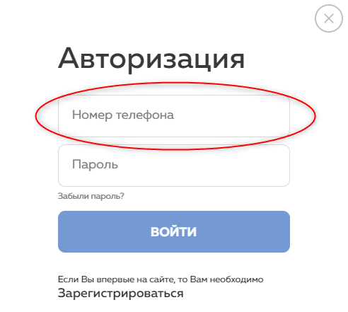
B21 | No notifications on valid phone number value are available at Authorization form | Operating system: Windows 10 Google Chrome Версия 106.0.5249.119 (Официальная сборка), (64 бит) | 1. Open https://igra.petruha.by/; 2. Press icon "Кабинет" at upper right corner of the page; 3. Look at field "Phone number" in Authorization form; 4. Bug appears | Always | Minor | Medium | Front-end | Authorization form contains notification under the field "Phone number" that only value of phone numbers of MTC, A1, Life:) providers can be input (req. 8.3.2. of Game Rules) | No notification on field "Phone number" restrictions are available
B22 | No notification after sending Authorization form with empty phone number value | Operating system: Windows 10 Google Chrome Версия 106.0.5249.119 (Официальная сборка), (64 бит) | 1. Open https://igra.petruha.by/; 2. Press icon "Кабинет" at upper right corner of the page; 3. Press button "Войти" in Authorization form; 4. Bug appears | Always | Minor | Medium | Back-end | After sending Authorization form with empty phone number, user gets notification message that he should enter valid phone number | After sending Authorization form with empty phone number user is returned to Authorization window with "Phone number" field in Red line frame | Error 422 | 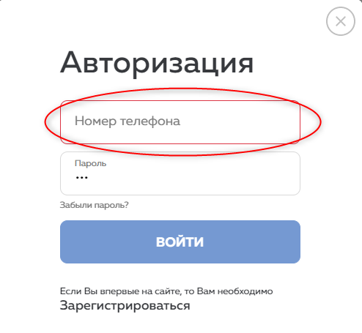
B23 | No notification after sending Authorization form with phone number value that is less than 9 figures | Operating system: Windows 10 Google Chrome Версия 106.0.5249.119 (Официальная сборка), (64 бит) | 1. Open https://igra.petruha.by/; 2. Press icon "Кабинет" at upper right corner of the page; 3. Press "Номер телефона" and put value "12345678" 4. Press button "Войти" in Authorization form; 5. Bug appears | Always | Minor | Medium | Back-end | After sending Authorization form with phone number "12345678", user gets notification message that he should enter valid phone number | After sending Authorization form with phone number "12345678", user is returned to Authorization window with "Phone number" field in Red line frame | Error 422
B24 | No notification after sending Authorization form with phone number that is not registered | Operating system: Windows 10 Google Chrome Версия 106.0.5249.119 (Официальная сборка), (64 бит) | 1. Open https://igra.petruha.by/; 2. Press icon "Кабинет" at upper right corner of the page; 3. Press "Номер телефона" and put value "873456789"; 4. Press "Пароль" and put value "AbcАбв"; 5. Press button "Войти" in Authorization form; 6. Bug appears | Always | Minor | Medium | Back-end | After sending Authorization form with phone number that is not registered, user gets notification message: "Пользователь не найден/не зарегистрирован" | After sending Authorization form with phone number that is not registered, user is returned to Authorization window with "Phone number" field in Red line frame | Error 422
B25 | Tab navigation goes out of opened Authorization form | Operating system: Windows 10 Google Chrome Версия 106.0.5249.119 (Официальная сборка), (64 бит) | 1. Open https://igra.petruha.by/; 2. Press icon "Кабинет" at upper right corner of the page; 3. Tap button "Tab" on keyboard 10 times; 4. Bug appears | Always | Major | Medium | Front-end | Tab navigation is available only in opened dialogue window of Authorization form | Tab navigation goes on the full screen, Tab navigation in opened dialogue window of Authorization form is available after pressing field "Phone number"
B26 | Tab navigation in Authorization form does not explicitly mark options "Забыли пароль" and "Зарегистрироваться" | Operating system: Windows 10 Google Chrome Версия 106.0.5249.119 (Официальная сборка), (64 бит) | 1. Open https://igra.petruha.by/; 2. Press icon "Кабинет" at upper right corner of the page; 3. Press on "Номер телефона" field; 4. Tap button "Tab" on keyboard 2 times and then 2 more times; 5. Bug appears | Always | Major | Medium | Front-end | Selected option is marked with a color or underlined | Selected option do not differ from default settings
B27 | Authorization form with password value input is not cleared after closing dialogue window | Operating system: Windows 10 Google Chrome Версия 106.0.5249.119 (Официальная сборка), (64 бит) | 1. Open https://igra.petruha.by/; 2. Press icon "Кабинет" at upper right corner of the page; 3. Press "Пароль" and put value "123"; 4. Close Authorization window by clicking on button X at upper right corner of dialogue window; 5. Press icon "Кабинет" at upper right corner of the page; 6. Bug appears | Sometimes | Major | High | Front-end | Authorization form is returned to default (empty) settings of password field upon closing | Authorization form contains inputted value of password if web-page is not refreshed | Password field should be retuned to default settings in any case
B28 | Authorization form has no option to unhide input value of password | Operating system: Windows 10 Google Chrome Версия 106.0.5249.119 (Официальная сборка), (64 бит) | 1. Open https://igra.petruha.by/; 2. Press icon "Кабинет" at upper right corner of the page; 3. Press "Пароль" and put value "123"; 4. Bug appears | Always | Major | High | Front-end | Input value of password can be displayed in readable format | Input value of password stays marked by special symbols | Passwords are too complicated, so unhide input value of password option is extremely important for user | 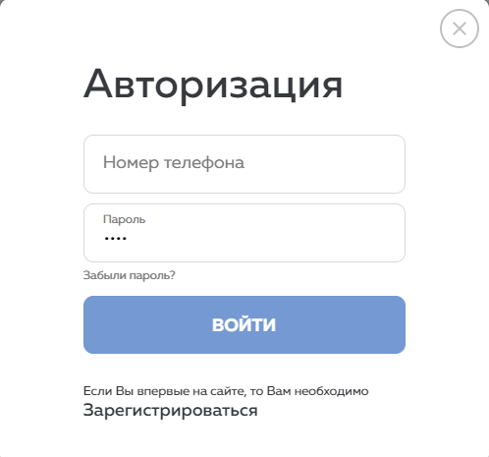
B29 | No notification after sending Authorization form with valid registered value of phone number and incorrect password value | Operating system: Windows 10 Google Chrome Версия 106.0.5249.119 (Официальная сборка), (64 бит) | 1. Open https://igra.petruha.by/; 2. Press icon "Кабинет" at upper right corner of the page; 3. Press "Номер телефона" and put value "445504495"; 4. Press "Пароль" and put value "AbcАбв"; 5. Press button "Войти" in Authorization form; 6. Bug appears | Always | Minor | Medium | Back-end | After sending Authorization form with valid registered value of phone number and incorrect password value, user gets notification message: "Неверное имя пользователя или пароль" | After sending Authorization form with valid registered value of phone number and incorrect password value, user is returned to Authorization window with "Phone number" field in Red line frame | Error 422 | 